Rental Units - Helper
Member to Input | * this tab is optional

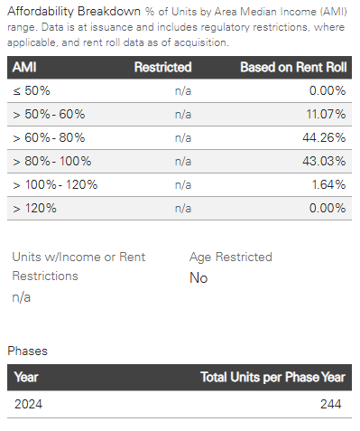
BONDS
 | Member Input |  | AMI | % Based on Rent Roll | # Based on Rent Roll
CUSIP | 3140NYM73 |  | ≤ 50% | 0.00%
Member Investment Amount | $5,000,000.00 |  | > 50% - 60% | 11.07%
Total Investment Amount | $54,210,000.00 |  | > 60% - 80% | 44.26%
Total Units | 244 |  | > 80% - 100% | 43.03%
 |  |  | > 100% - 115% | 0.00%
 |  |  | > 115% | 1.64%

 | FHLBC Template Formatted
 | Required - Housing | Required - Housing | Required - Housing | Required - Housing | Required - Housing
 | Housing Units ≤50% AMI | Housing Units 50-80% AMI | Housing Units 80-100% AMI | Housing Units 100-115% AMI | Housing Units ≥115% AMI
% | 0 | 12 | 10 | 0 | 0
# | 0 | 0 | 0 | 0 | 0
col | U | V | W | X | Y
 | copy and paste the values returned into the 'complete' tab

LOANS
 | Member Input
Member Investment Amount | $1,000,000.00 |  | # of Units | Rent | Income | AMI %
Total Investment Amount | $1,000,000.00 |  | 3 | $3,100.00 |  | 102.06%
Total Units | 5 |  | 2 | $3,750.00 |  | 123.46%
County | Cook |  |  |  |  | 0.00%
State | IL |  |  |  |  | 0.00%
HH Income Limit | $139,725 |  |  |  |  | 0.00%
115% AMI - Monthly Rent | $3,493 |  |  |  |  | 0.00%
 |  |  |  |  |  | 0.00%
 |  |  |  |  |  | 0.00%
 |  |  |  |  |  | 0.00%

 | FHLBC Template Formatted
 | Required - Housing | Required - Housing | Required - Housing | Required - Housing | Required - Housing | Elig?
 | Housing Units ≤50% AMI | Housing Units 50-80% AMI | Housing Units 80-100% AMI | Housing Units 100-115% AMI | Housing Units ≥115% AMI | >51% units
 | 0 | 0 | 0 | 3 | 2 | Y
col | U | V | W | X | Y
 | copy and paste the values returned into the 'complete' tab

